Original Maps
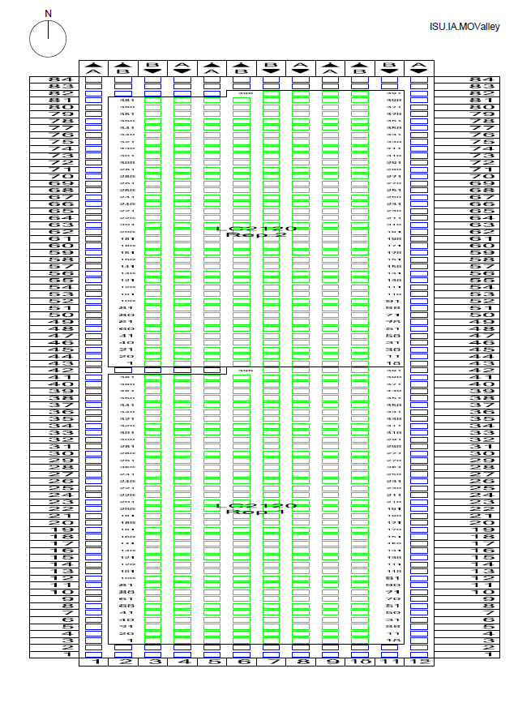
Inbred HIPS
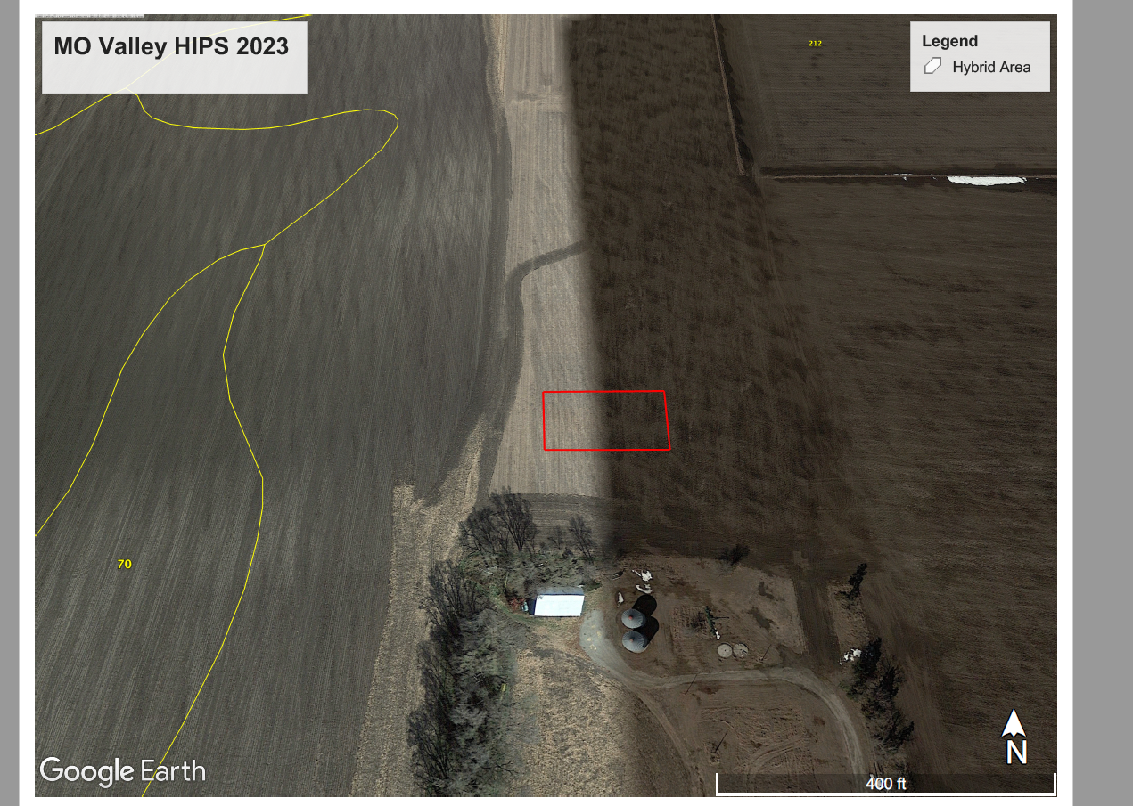
2023 Field is located to the North of the silos
Turkus Notes about Missouri Valley Fields
 | LC2125 and LC2125_ER are the hybrid HIPS fields

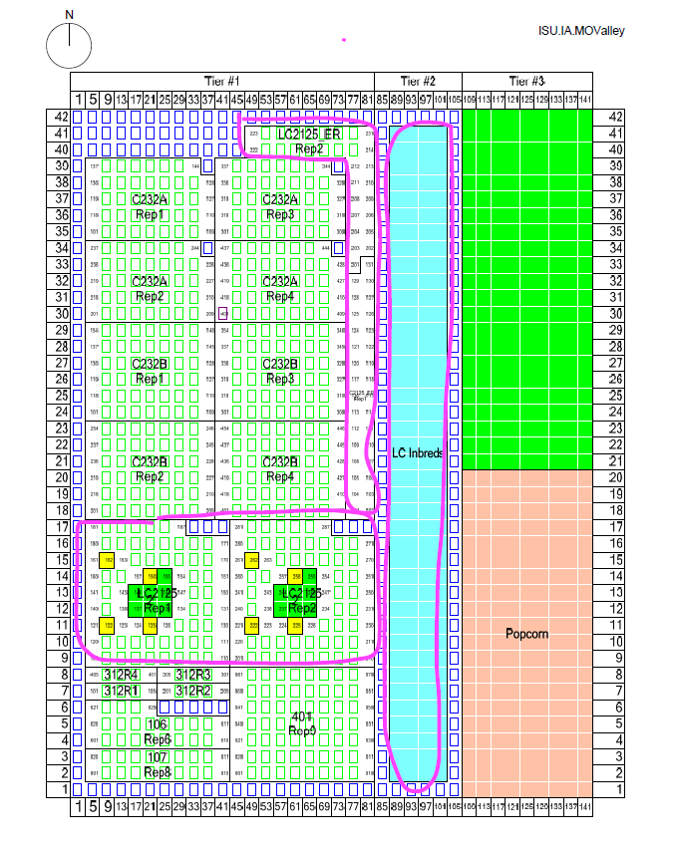
Map for Hybrids (Seen in the "Tier 1" area)
 | Exp Name | Rep # | Start plot # | end plot # | Note
 | LC2125 | 1 | 101 | 187 | what would be plots 188-190 are filler
 | LC2125 | 2 | 201 | 287 | what would be plots 288-290 are filler
 | LC2125_ER | 1 | 101 | 131 | *part of the weird L
 | LC2125_ER | 2 | 201 | 231 | *part of the weird L
 | LC2120 | 1 | 1 | 396 | what would be plots 397-400 are filler
 | LC2120 | 2 | 1 | 396 | what would be plots 397-400 are filler

 | Other notes:
 |  | Plot numbering is serpentine
 |  | Hybrid's have an irregular layout (specifically for the LC2125_ER)
 |  | Field is located to the North of the silos. Not sure if it's directly along the field, though.

 |  | In Hybrids, rep 1 plots have the numbers 1XX, while rep2 had 2XX
 |  | In inbreds, rep 1 and 2 have the same plot numbers

 | Questions:
 |  | Are row numbers staked?
 |  |  | if yes, what are they for the inbred HIPS field?
 |  |  |  | 1-12? or 85-106?

